1. Title Page
[Instacart Grocery Basket Analysis]

Project Name: Instacart Grocery Basket Analysis
Date: October 7, 2023
Analyst Name: Rich Bradley
“The Instacart Online Grocery Shopping Dataset 2017”, Accessed from www.instacart.com/datasets/grocery-shopping-2017 via Kaggle on 7/1/2023.

Contents:
Population Flow
Consistency checks
Wrangling steps
Column derivations
Visualizations
Recommendations

2. Population Flow
 | Title page

Population flow

Exclusion flag
Condition: max_order <
Obervations to be removed:
Final total count of order_products_all:

Orders_products_combined
Orders_products_merged
Orders_products_all

Total: 32,404,859
Total: 32,404,859
Total:
32,434,489

1.) The grey boxes in the first row of the population flow represent the original data sets as they were when you downloaded them. In the Total fields you need to add the count of the rows when you imported the data set into Jupyter.
2.) The second row of boxes (coloured) represents the data sets after you manipulated them, e.g., removed missing values and duplicates. In the Total fields you need to add the count of the rows after conducting these operations. This offers a visual oveview of how the data flows throughout the data consistency checks.
3.) The third row, where also the arrows are coloured, represents the merges you performed between the datasets. In the Total fields you need to add the count of the rows in the merged datasets, so that you end up with the final dataset (in the red box). Keep in mind the final dataset should be without exclusions (based on the exclusion flag).

3. Consistency checks
 |  |  |  | Title page
Consistency checks

Dataset | Missing values | Missing values treatment | Duplicates
orders | days_since_prior_order | There was a '0', however, this is not missing since this was the first time an order was placed. Since there was no prior order, there is no missing value. | No duplicates
products | Product_name | There are 16 'NaN' which at first thought was missing values. Instead these are the first order for that user_id. No treatment needed | No duplicates
orders_products_prior | No missing values | No treatment needed | No duplicates
customers | No missing values | No treatment needed | No duplicates

4. Wrangling steps
 |  |  |  | Title page
Wrangling steps

Columns dropped | Columns renamed | Columns' type changed | Comment/Reason
eval_set |  |  | Not needed
_merge |  |  | Not needed
First_Name |  |  | Dropped to address PII concerns
Last_Name |  |  | Dropped to address PII concerns
 | Changed 'order_dow' to 'orders_day_of_the_week' |  | More descriptive
 |  | busiest_period _of_day | To know the kinds of orders
 |  | Busiest _days | To know which days we busy vs slow
 | Changed First Name to 'First_Name' |  | consistency
 | Changed Surnam to 'Last_Name |  | consistency
 | Changed STATE to 'State |  | consistency
 | Changed n_dependents to 'Number_of_dependents' |  | consistency
 | Changed fam_status to 'Family_Status' |  | consistency

5. Column derivations
 |  |  |  | Title page

Column derivations and aggregations

In this tab you should add tables below that the frequences of flags/label variables that you produced after deriving them. NB: don't do this for continuous variables, only for flags.
Dataset | New column | Column/s it was derived from | Conditions
ords_prods_merge | loyalty_flag | max_order | Identify new customers from regular and loyal customers
ords_prods_merge | spending_flag | type_of_spender | Identify high vs low spenders
ords_prods_merge | frequency_flag | regularity_of_user | To identify frequent users of the store app
cust_ords_prods_merge | Region | State | To create regional segmentation of the data
cust_ords_prods_merge | price_range_loc | add_to_cart_order | To identify low, mid and high activity customers
cust_ords_prods_merge | Age_group | Age | To segment the ages of the customers in to groups
cust_ords_prods_merge | income_group | income | To identify low, mid and high income customers
cust_ords_prods_merge | n_dependents_flag | Number_of dependents | To identify families with above average or few dependents

6. Visualizations
 |  |  | Title page

Visualisations

In this tab you should include all the visualtions from Exercises 4.9 and 4.10, alongside the questions from the project brief that they answer. Include any commentary on the relationship between different variables.

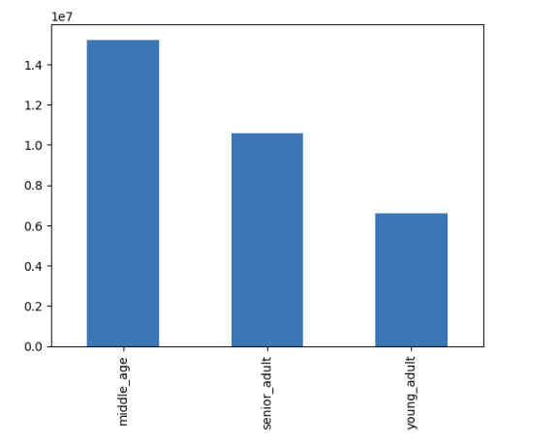
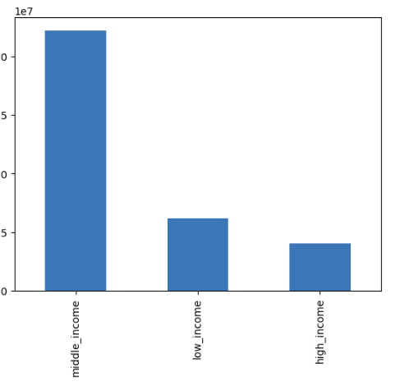
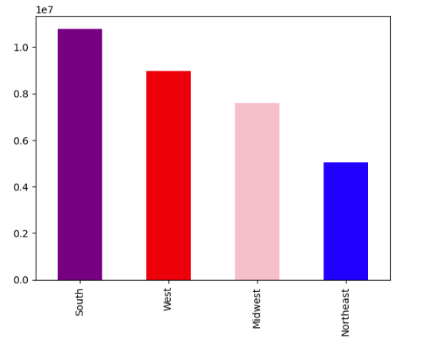

This bar chart shows the segmenting of the customers by age group | This bar chart shows the segmentation of customers by income |  |  | This bar chart shows the country by region and color

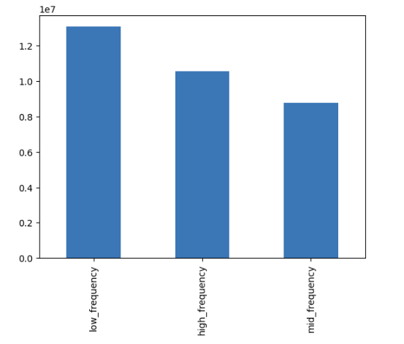
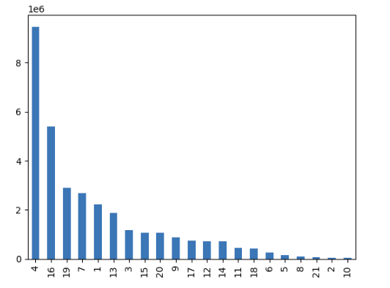
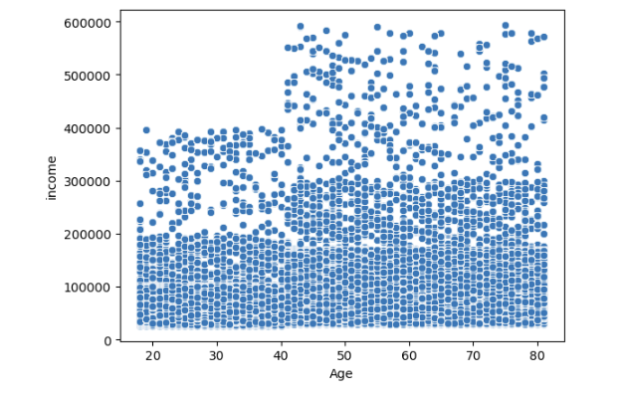

This shows the frequency of departement id that were used |  | Here is the department id that were used |  |  | This scatterplot shows most incomes are 300,000 and below in the different age groups. With the highest concentration of incomes below 200,000. There are some incomes above 400,000 for age groups between 40 and 80 and there are no incomes above 600,000 for any age group.

7. Recommendations
 |  | Title page

Recommendations

In this tab you should include any recommendations you would made to Instcart in terms of their marketing strategy based on the questions posed in the brief. Every key question has been covered in the Tasks of the Exercises - here you need to add an item - a visualisation or table/crosstable that is showing the answer in the data, acompanied by a comment from you. Please, list the questions below and add the answer underneath.

Question | Answer
Q 1. The sales team needs to know what the busiest days of the week and hours of day. | Saturday and Sunday are the top two busiest days with 6204182 and 5660230 orders respectively. The least busiest days are Tuesday and Wednesday. Knowing this the marketing team can provide incentives or promotions in order to increase sales on those slower days.

Q2. They want to know whether there are particular time of the day when people spend money | The time of day that have the most orders are between 9am and 4pm. And the fewest orders are between 11pm and 6am. Maybe the marketing team and do a midnight special or early bird shopping special to encourage more sales during these hours.

Q3. Instacart has a lot of products with different price tags. Marketing and sales want to use similar price range grouping to help with this effort | By grouping the prices in a price range, marketing and sale can use higher range, mid range and low range to help with the grouping .

Q4. Are there certain types of products that are more popular than others. Which department have the highest frequency of products orders | The departments with the highest frequency of orders were 4, 7, 13, 14, 16, 17, 19, and 20.

Q5. Marketing and sales teams are particularly interested in the different types of customers in their system and how their ordering behaviorrs differ. For example how often to they return to Instacart? | Using the , frequency_flag shows frequent customer 21559853, and regular customer at 7208564 followed by non-frequent customer 3636437.

Q6. What is the distribution amoung users in regards to brand loyalty? | Using the frequency_flag, new customers were the lowest with 6243990, next was loyal customers with 10284093 and the regular customers were the highest with 15876776 max orders.

Q7. What's the difference in ordering habits based on customer's region? | Based on region the South has the most with 10791885, followed by West with 8959995, Midwest with 7597325 and finally Northeast with 5055654. Perhaps this is seasonal, with nice weather all year the South can get out more.

 | Recommendations:

 | 1. The least busiest days are Tuesday and Wednesday. Knowing this the marketing team can provide incentives or promotions in order to increase sales on those slower days.

 | 2. The fewest orders are between 11pm and 6am. Maybe the marketing team and do a midnight special or early bird shopping special to encourage more sales during these hours.

 | 3. Have the marketing and sales team use incentives for customers to use the app more and decrease the non-frequent customers to becoming regular or frequent customers.

 | 4. Find ways to reward the loyal customers, and incentivize the new customers with specials based on their purchases.

Visuals

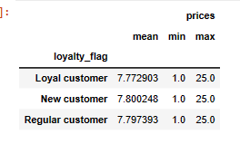

Results of loyal customers

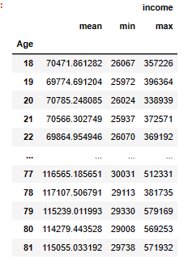

Results of age and income of customers

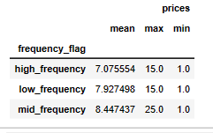

Results of customer frequency and prices

